Exercise 1 - (ANS)
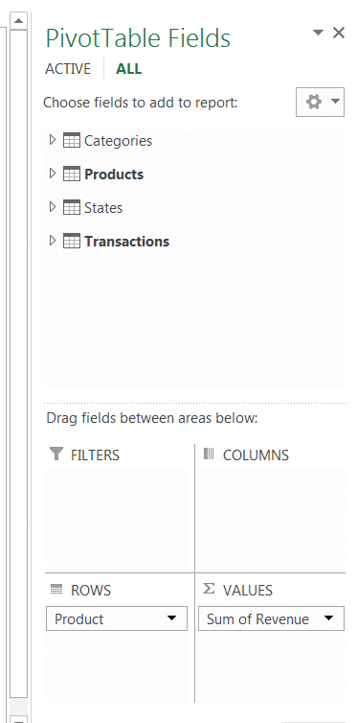
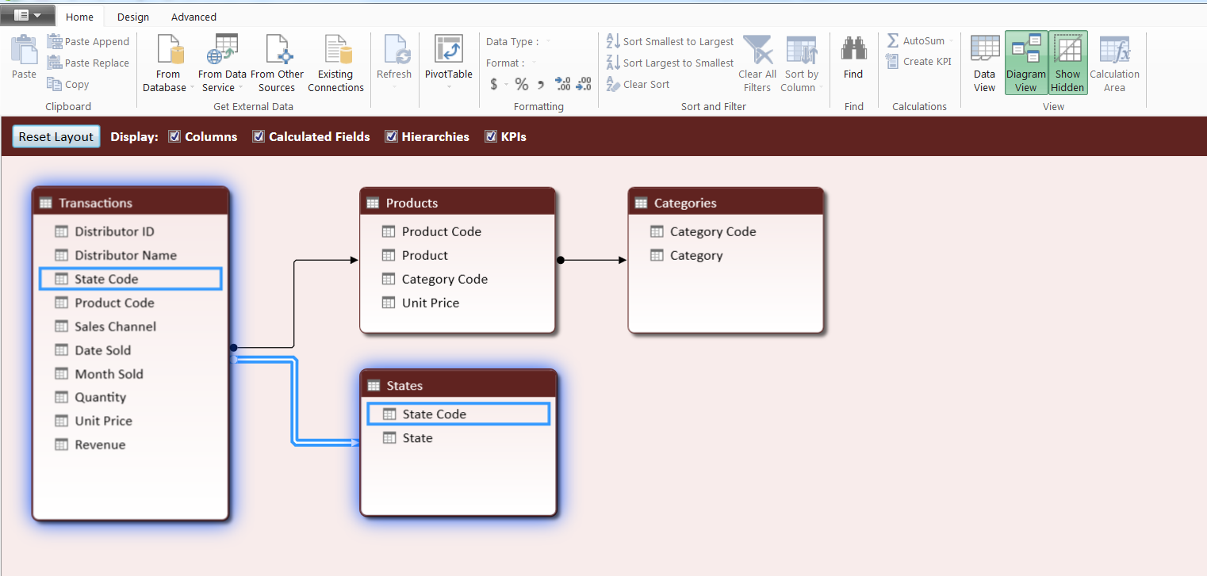
Data Driven Decision Making - Course 3
Week 1
Linking Data & Data Modelling
Exercise 1

 | Exercise 1

 | You have been hired by an expanding company that manufactures clothing. The company has been around a long time and has operated under the strong gut feelings of the founder. However, the founder's daughter is taking a larger role in the business. She has been combining her father's strong gut market feel with analytical analysis to drive a boom in sales. This sales growth has strained the business infrastructure and many of the supporting processes. You have been hired to help the company to continue to enhance their analytical decision making. To help solidify the data architecture of the business you want to understand the relationships that exist with the companies data environment. Then establish the relationships using PowerPivot so you can leverage the data to deliver new analytical insights.

 | Transactions |  | Products | Categories
 | Distributor ID |  | Product Code | Category Code
 | Distributor Name |  | Product | Category
 | State Code |  | Category Code
 | Product Code |  | Unit Price
 | Sales Channel |  |  | States
 | Date Sold |  |  | State Code
 | Month Sold |  |  | State
 | Quantity

 | 1A) | Fill the table below to help identify the relationships between our dataset;

 |  |  |  | Table | Primary Key | Relationship to other tables
 |  |  |  | Transactions | Product Code | Product Code links to Products table
 |  |  |  | Products | Product Code | Product Code links to Transactions table
 |  |  |  | Categories | Category Code | Category Code links to Products table
 |  |  |  | States | State Code | State Code links to Transactions table

 | 1B) | Create the relationships in PowerPivot and insert a Pivot table based on the new data model below:

 |  | Place your chart here!

Exercise 2 - (ANS)
Data Driven Decision Making - Course 3
Week 1
Linking Data & Data Modelling
Exercise 2

 | Exercise 2

 | The marketing team has found about your ability to combine data from multiple source systems and datasets and is hoping that you can help them answer some longstanding questions about their highest grossing products across sales channels.

 | 2a) | Which of the products generates the highest revenue across all sales channels?
 |  | Answer | High Dress Tie

 | 2b) | What percentage of total revenue does the product that generates the highest revenue account for?
 |  | Answer | 42.2%

 | 2c) | Create a Pivot Chart below to show the revenue distribution(%) by Product
Distribution of Revenue by Product
 | Total
High Dress Tie | 42.21%
High Dress Shirt | 17.83%
High Dress Socks | 7.93%
High Dress Slacks | 6.02%
Mid Dress Tie | 5.20%
Mid Dress Slacks | 4.23%
Mid Dress Shirt | 3.72%
Mid Dress Socks | 3.06%
Basic Dress Slacks | 2.96%
Basic Dress Shirt | 2.59%
Basic Dress Tie | 2.57%
Basic Dress Socks | 1.67%

 |  |  |  | Place your chart here!

Exercise 3 - (ANS)
Data Driven Decision Making - Course 3
Week 1
Linking Data & Data Modelling
Exercise 3

 | Exercise 3

 | The premium category is curious to understand the revenue mix of premium category, to help develop a strategy for the next year. They have asked your help and hope you can help answer the following the questions:

 | 3a) | For the Premium category of products, what is the leading sales channel in terms of revenue?
 |  | Answer | Online

 | 3b) | About what percentage of revenue for Premium category comes from Retail sales channel?
 |  | Answer | 43%

 | 3c) | Which specific product has the largest revenue in the Premium category in the Online Sales Channel?
 |  | Answer | High Dress Tie

 | 3d) | Create a Pivot Chart below to show the revenue distribution(%) by Sales Channel and product category
Revenue Distribution by Sales Channel and Product Category
 | Economy | Mid-tier | Premium
Direct |  | $3,061.00 | $7,295.24
Online | $5,167.50 | $7,258.26 | $50,258.76
Retail | $6,340.50 | $8,733.28 | $29,345.07

 |  |  |  | Place your chart here!

Exercise 4 - (ANS)
Data Driven Decision Making - Course 3
Week 1
Linking Data & Data Modelling
Exercise 4

 | Exercise 4

 | In exercise 3 we understood that the leading sales channel for the Premium category, is online. In addition to growing Online sales, the company owner feels that retail is underperforming, based on market research that suggests that retail should be the strongest performing channel for this business. To drive efficient retail marketing the owner wants to identify and target specific retail markets, that are generating the most sales. In order to allocate advertising and promotional budget, the owner has a hypothesis that the sales generally peak before and after holidays, i.e. promotions leading up to holiday and markdown sales following holidays. To help validate these assumptions, you have been asked to perform some further research and answer the following questions:

 | Create a Pivot Table on the corresponding pivot tabs that uses data from the Transactions, Products, Categories and States data tables to answer the following questions

 | 4a) | What percentage of revenue do the top 5 states collectively account for among Retail Sales Channel?
 |  | Answer | 47%

 | 4b) | Among the top 5 states that have been identified in 4a, what are the leading products by revenue at Retail Sales Channel?
 |  | Louisiana | High Dress Tie
 |  | New York | High Dress Tie
 |  | Nevada | High Dress Tie
 |  | Arizona | High Dress Shirt
 |  | Alaska | High Dress Shirt

 | 4c) | Create a Pivot Chart below to show revenue and quantity sold by date sold, at Retail Sales Channel for Shirts and Slacks product categories. Does this chart support the owners hypothesis about revenue spiking before and after holidays?
Trend of Revenue and Quantity sold
 | Sum of Revenue | Sum of Quantity
1/7/2012 | 546.63 | 137
1/23/2012 | 2407 | 166
2/17/2012 | 40.5 | 9
4/3/2012 | 1144 | 176
6/3/2012 | 603 | 134
6/8/2012 | 1479 | 102
6/10/2012 | 873.75 | 125
6/11/2012 | 522.69 | 131
6/17/2012 | 468.33 | 67
6/24/2012 | 2552 | 176
6/27/2012 | 819 | 126
7/1/2012 | 261 | 18
7/5/2012 | 675 | 150
7/17/2012 | 567 | 126
7/19/2012 | 573.18 | 82
7/24/2012 | 742.5 | 165
7/29/2012 | 34.95 | 5
8/5/2012 | 31.5 | 7
8/8/2012 | 536.5 | 37
8/11/2012 | 754.92 | 108
8/12/2012 | 414.96 | 104
8/26/2012 | 1288 | 184

 |  |  |  | Place your chart here!

Exercise 5 (ANS)
Data Driven Decision Making - Course 3
Week 1
Linking Data & Data Modelling
Exercise 5

 | Exercise 5

 | The owners daughter believes that their brand has a stronger brand equity then assumed and the business is underpricing some of its products. Throughout the year prices have fluctuated, on many of the products due to changes in the purchasing costs. You have suggested you could test how the change in price is effecting sales by understanding how the change in price has effected units sold.

 | 5a) | Using the data from the Transactions, Products, Categories and States data tables, determine your leading sales product
 |  | and create a scatter plot of the quantity and price

 |  | Hints:
 |  | - use data over time;
 |  | - use price and quantity metrics;
 |  | -set up data as shown below
 |  |  | Price | Quantity
 |  | 2012-01-04 | 40 | 141
 |  | 2012-06-22 | 30 | 160
 |  | 2012-06-25 | - | -
 |  | 2012-06-28 | - | -
 |  | 2012-07-03 | - | -
 |  | 2012-08-08 | - | -

 | 5b) | Add a trend line to the graph and interpret how the change unit price effected the quantity sold
Price - Quantity Chart for High Dress Tie
 | Average of Unit Price
188 | $25.00
160 | $30.00
47 | $50.00
170 | $29.00
199 | $20.00
205 | $18.00
188 | $23.00
116 | $45.00
147 | $40.00
141 | $39.50
69 | $60.00

 |  |  |  |  | Place your chart here!

 | 5c) | Check the profitability of each product category in general and the leading sales product in particular. Do you notice any particular cost structure and do you believe it is the optimal way to price?

 | Ans | Row Labels | Average of Profit Margin (%) |  | The Company has priced its leading product at a very high profit margin (78%) and all its other products at a profit margin of 25%. Thus, the company follows a common cost-based pricing method for all its other products but value-based/market-based approach for its leading product. However, this is not the optimal way to price the products. Similar to the leading product, the Company should have adopted a hybrid approach to price its other products (Use of value-based pricing and market based pricing). Value-based pricing will help the Company to understand the willingness of its customers to pay for a particular product, thus maintaining the demand-supply equilibrium and market-based pricing will keep them competitive in market.
 |  | Basic Dress Shirt | 25%
 |  | Basic Dress Slacks | 25%
 |  | Basic Dress Socks | 25%
 |  | Basic Dress Tie | 25%
 |  | High Dress Shirt | 25%
 |  | High Dress Slacks | 25%
 |  | High Dress Socks | 25%
 |  | High Dress Tie | 78%
 |  | Mid Dress Shirt | 25%
 |  | Mid Dress Slacks | 25%
 |  | Mid Dress Socks | 25%
 |  | Mid Dress Tie | 25%

Pivot 5a
Category Code | All
Product | High Dress Tie

Price - Quantity Chart for High Dress Tie
Row Labels | Average of Unit Price | Sum of Quantity | Sum of Quantity | Average of Unit Price
2012-01-04 | $25.00 | 188 | 188 | $25.00
2012-02-27 | $30.00 | 160 | 160 | $30.00
2012-04-29 | $50.00 | 47 | 47 | $50.00
2012-07-02 | $29.00 | 170 | 170 | $29.00
2012-07-06 | $20.00 | 199 | 199 | $20.00
2012-07-09 | $18.00 | 205 | 205 | $18.00
2012-07-12 | $23.00 | 188 | 188 | $23.00
2012-07-24 | $45.00 | 116 | 116 | $45.00
2012-12-05 | $40.00 | 147 | 147 | $40.00
2012-12-12 | $39.50 | 141 | 141 | $39.50
2012-12-27 | $60.00 | 69 | 69 | $60.00
Grand Total | $34.50 | 1630

